Practice Request
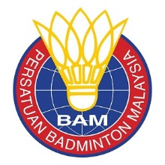

 | TEST COURT REQUEST FORM

 | Name of Member Association:

 | Please complete and return the Test Court Request Form to perakba25@yahoo.com, rajivmehta888@gmail.com not later than Tuesday, 11th August 2026

 | COUNTRY | TIME |  | MAIN HALL (ACTIVE PLAYERS ) | CONTACT PERSON | MOBILE NUMBER | EMAIL
 |  | FROM | TO
 |  | TEST COURT @ ARENA BADMINTON PERAK
 |  | 09:00 – 21:00 ( 31st August 2026 )
EXAMPLE | SCOTLAND | 10.00 | 11.00 | 20 PLAYERS | MR ROBERT BLAIR | 447764492836 | robert@badmintonscotland.org.uk

